SignIn
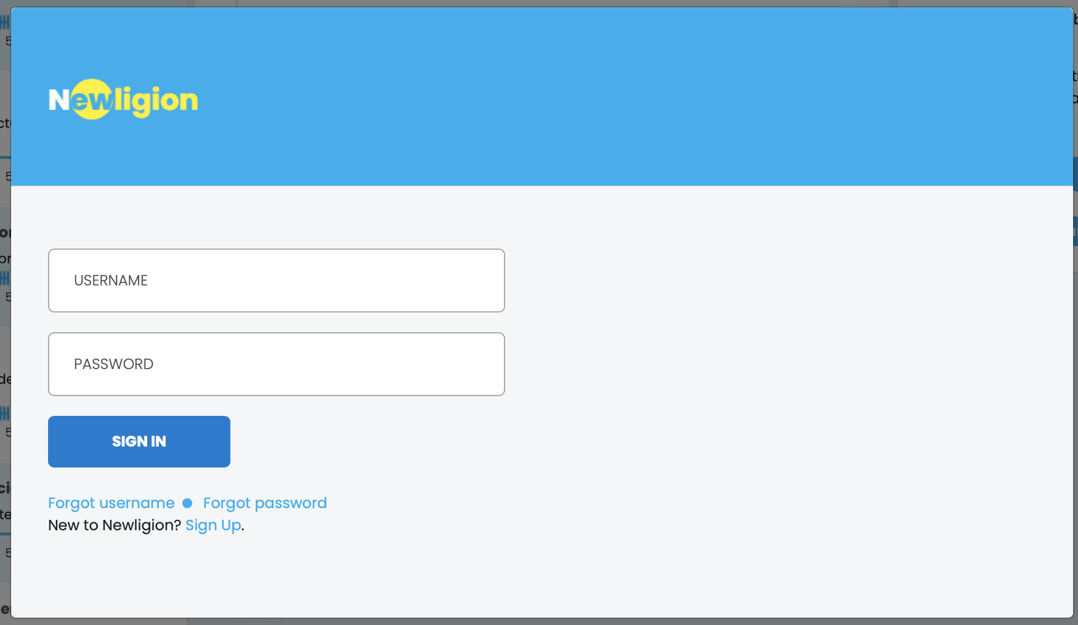

This modal open from Footer > Join / SignIn

API Usage | signIn
username
After login, redirect to /lounge page
password

SignUp
 |  | SignUp Flow | Step1: Enter email
 |  |  | Step2: Enter username & password
 |  |  | Step3: Verification & auto SignIn
 |  |  | Step4: Update more profile info
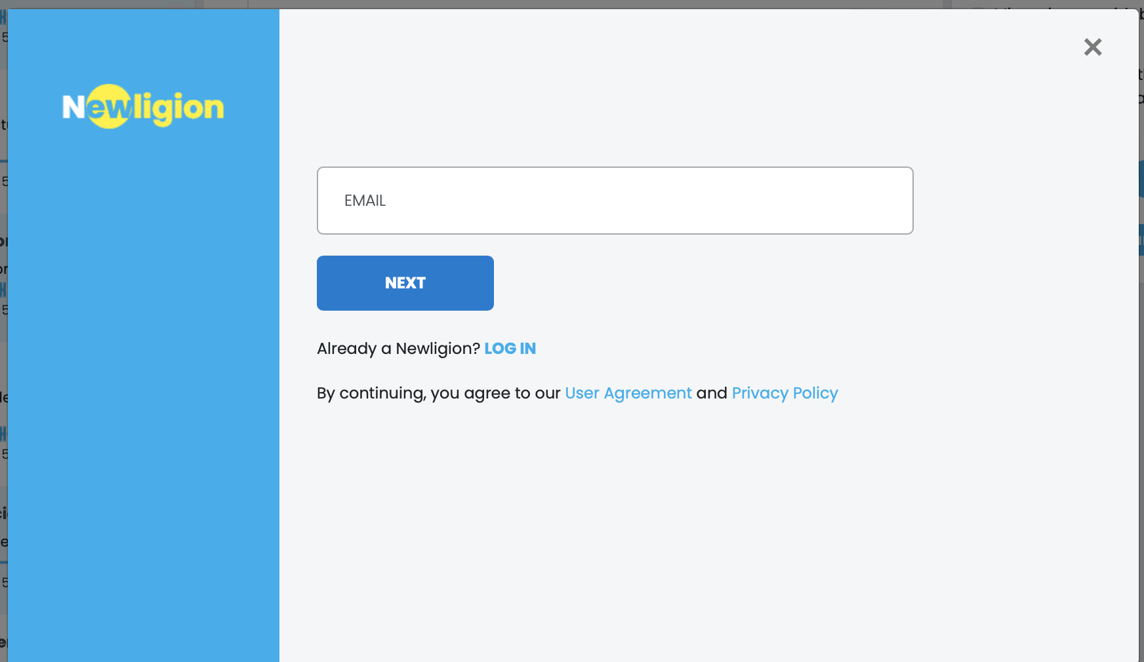
email

 |  |  | Step1: Enter email

 |  |  |  | API Usage signUpValidateEmail | signUpValidateEmail
 |  |  |  | After submit OK, next to Step2 modal

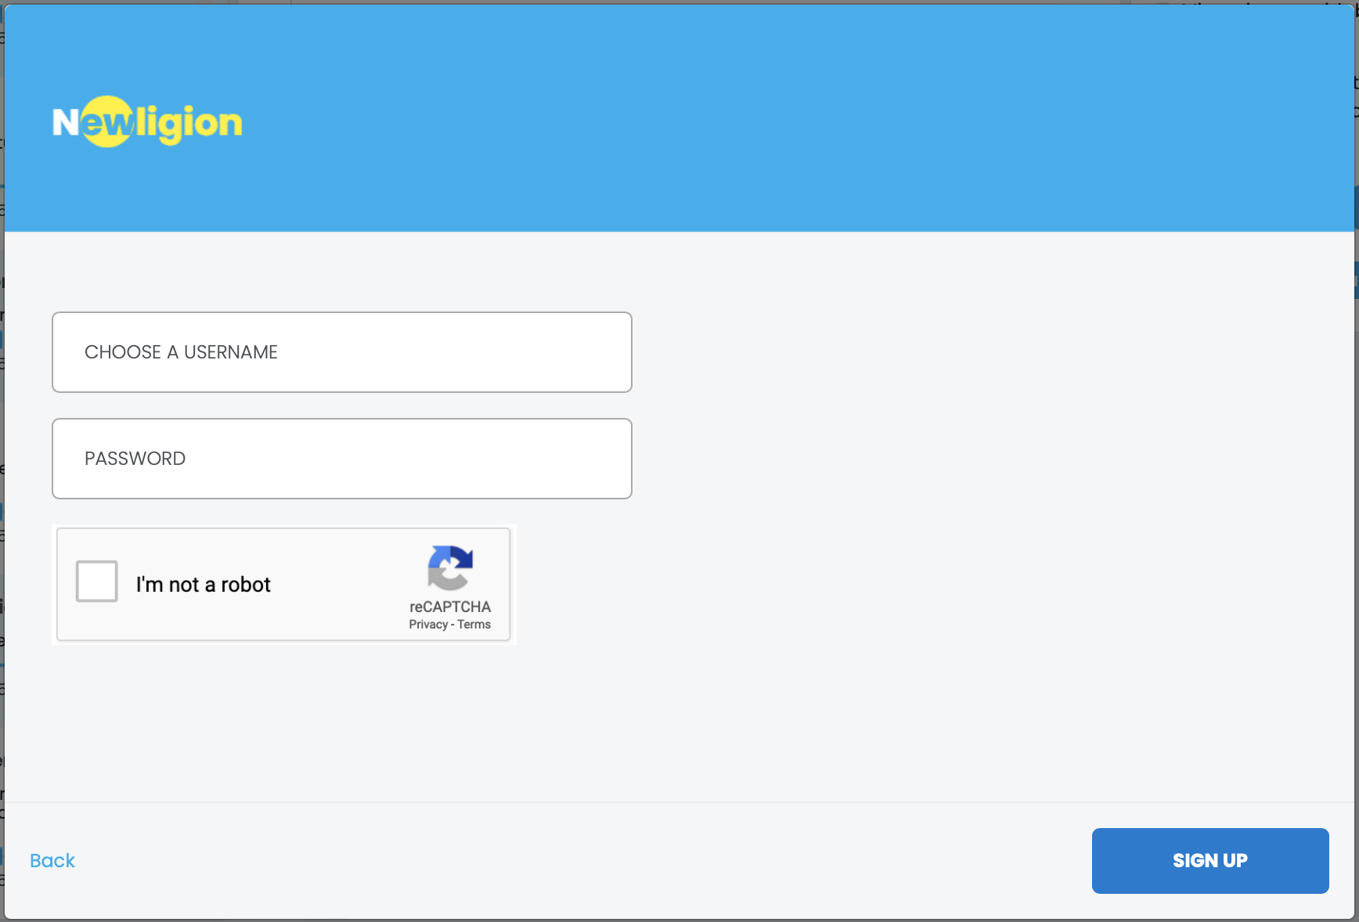

 |  |  | Step2: Enter username, password

 |  |  |  | API Usage signUp
 |  |  |  | After submit OK, next to Step3 modal
username

password

 |  |  | Step3: Verification

Verification code |  |  |  | API Usage signUpConfirm
 |  |  |  | After submit OK, auto signIn and redirect to /personal-profile page

 | Confirm

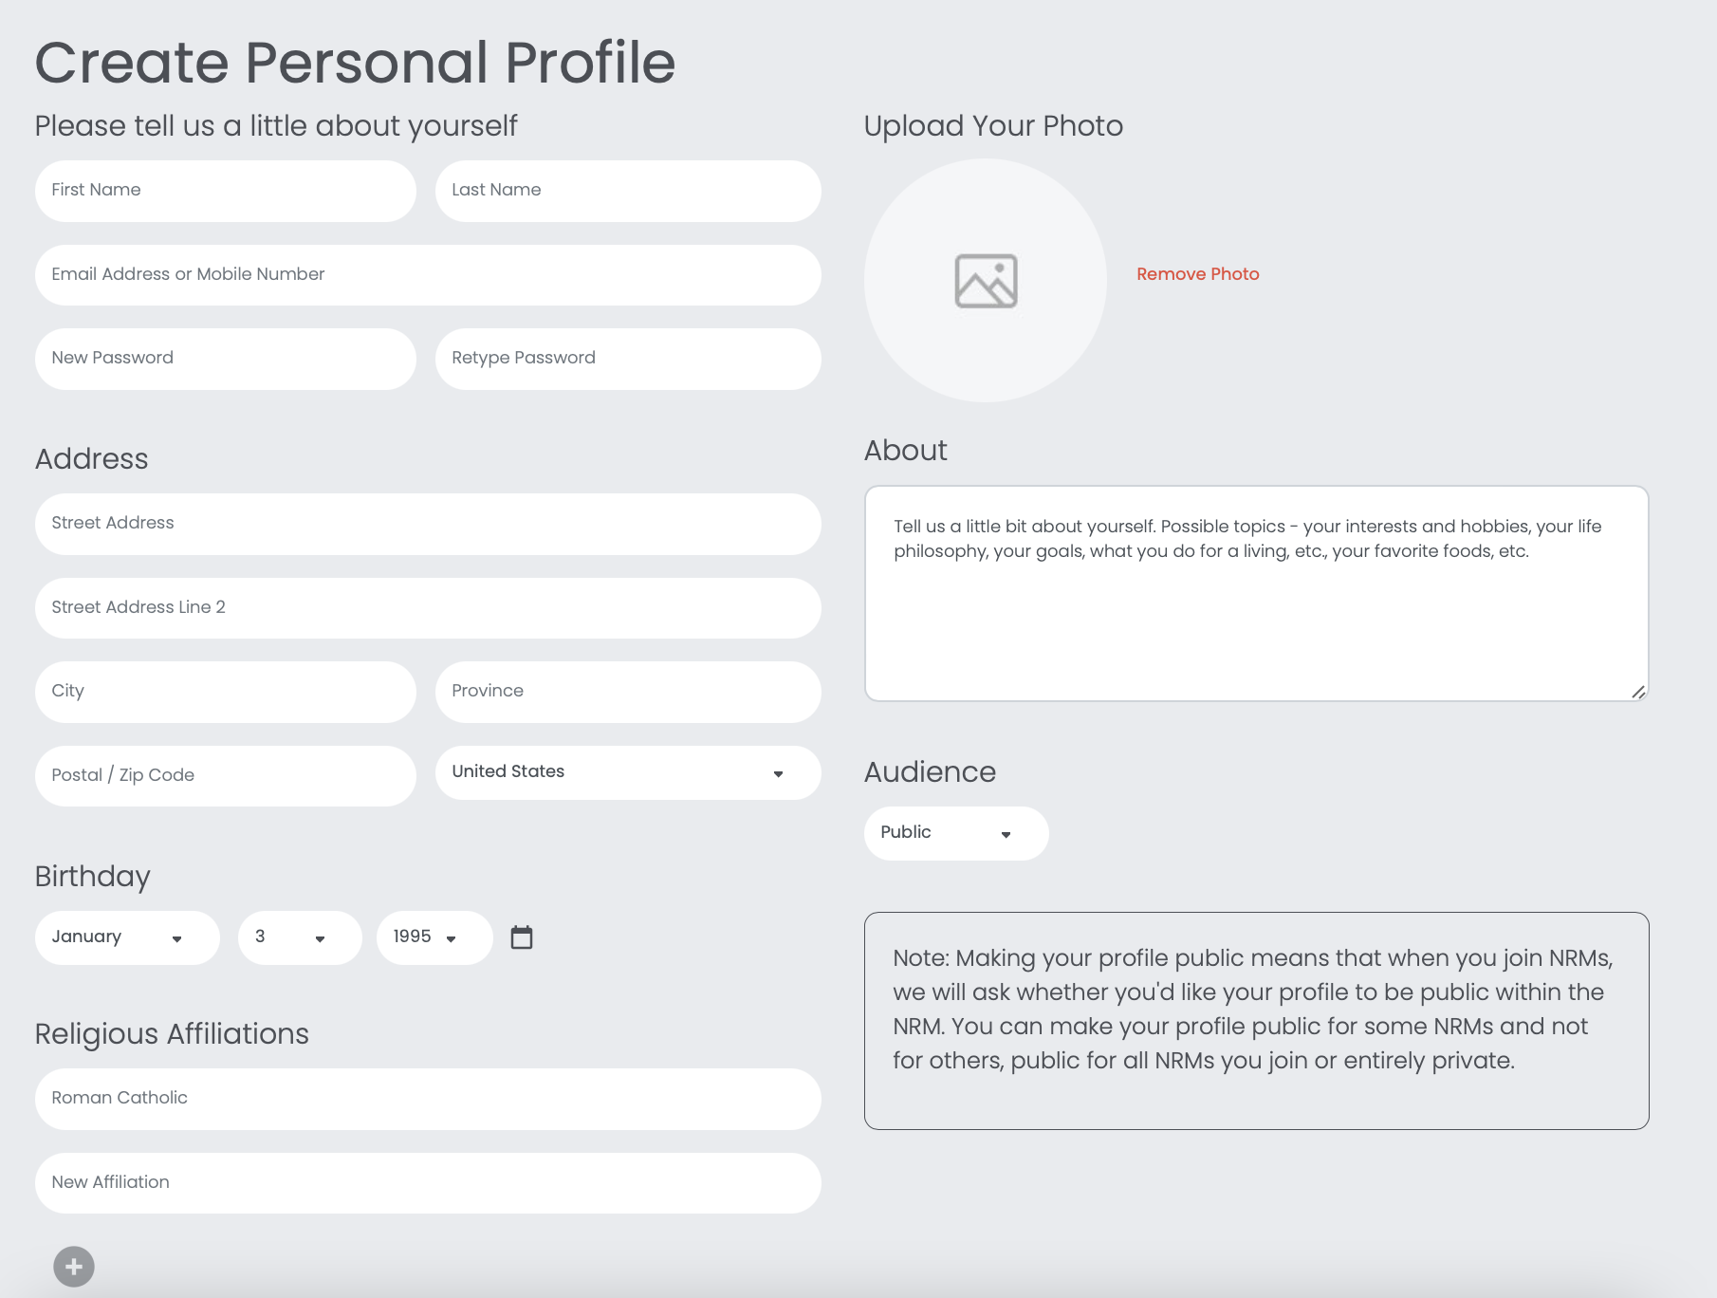

 |  |  |  |  |  | Step4: Update more profile info

phone
profile_picture (file)
 |  |  |  |  |  |  | API Usage updateAccount
 |  |  |  |  |  |  | After submit OK, auto signIn and redirect to /account/complete-profile

remove password fileds

please add save button here

ForgotPassword
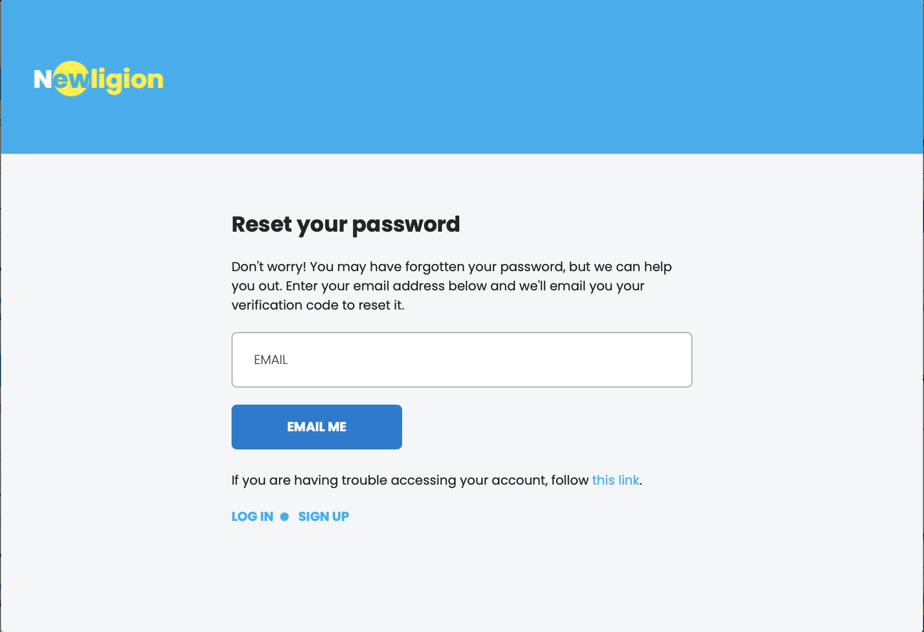
Forgot Password flow
 | Step1: Enter email to get verification code
 | Step2: Enter new password and code to reset

Step1: Enter email

email
 | API Usage forgotPasswordInitiateEmail
 | After submit OK, next to Step2 modal

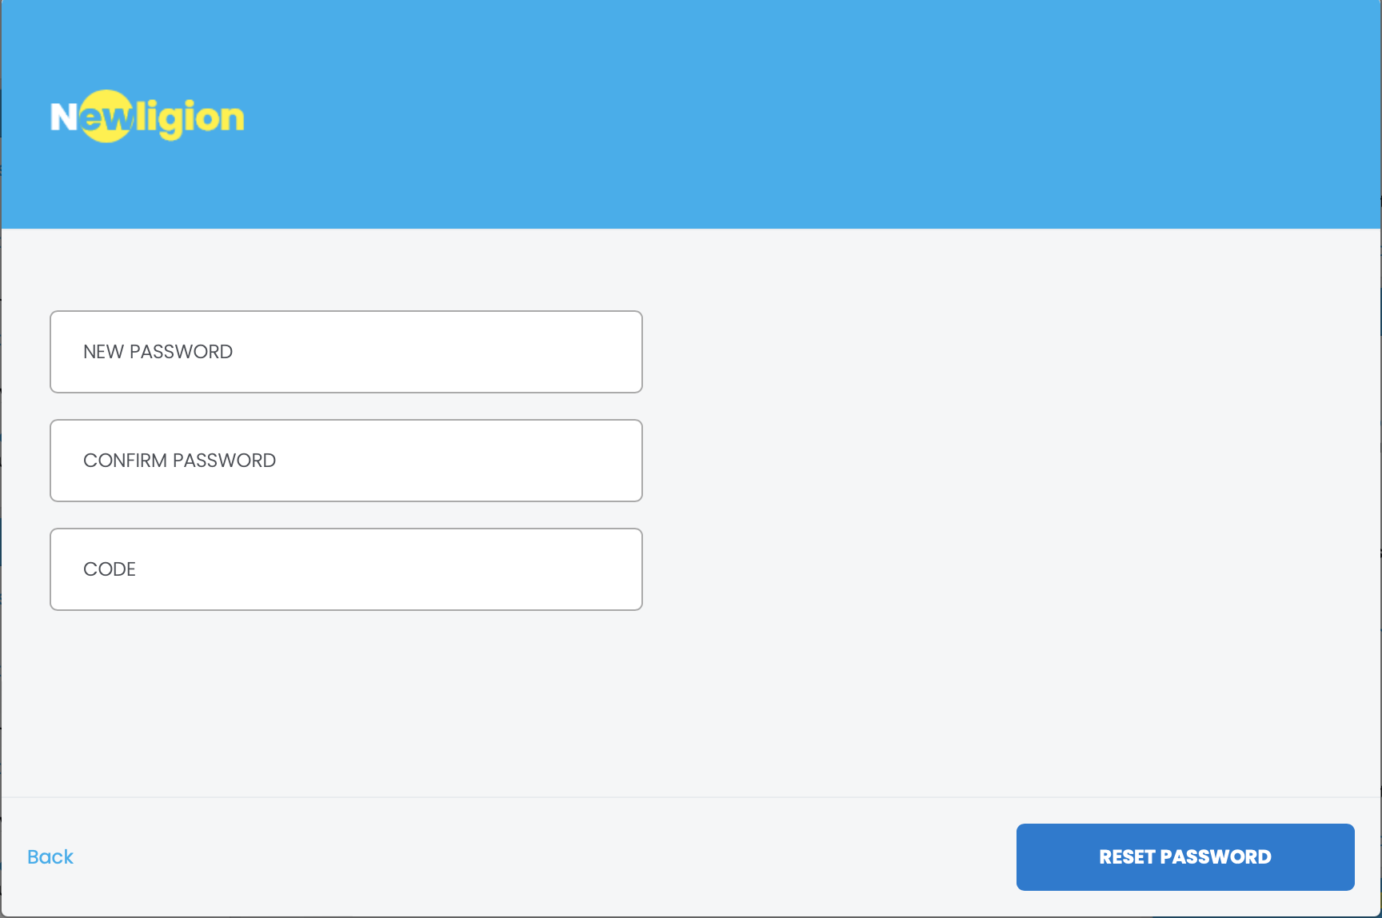

password
Step2: Reset new password

this filed just validate at client, don't send to API
 | API Usage forgotPasswordChange
 | After submit OK, show alert say success and close modal

code

Create Religion (NRM)
URI: /create-religion
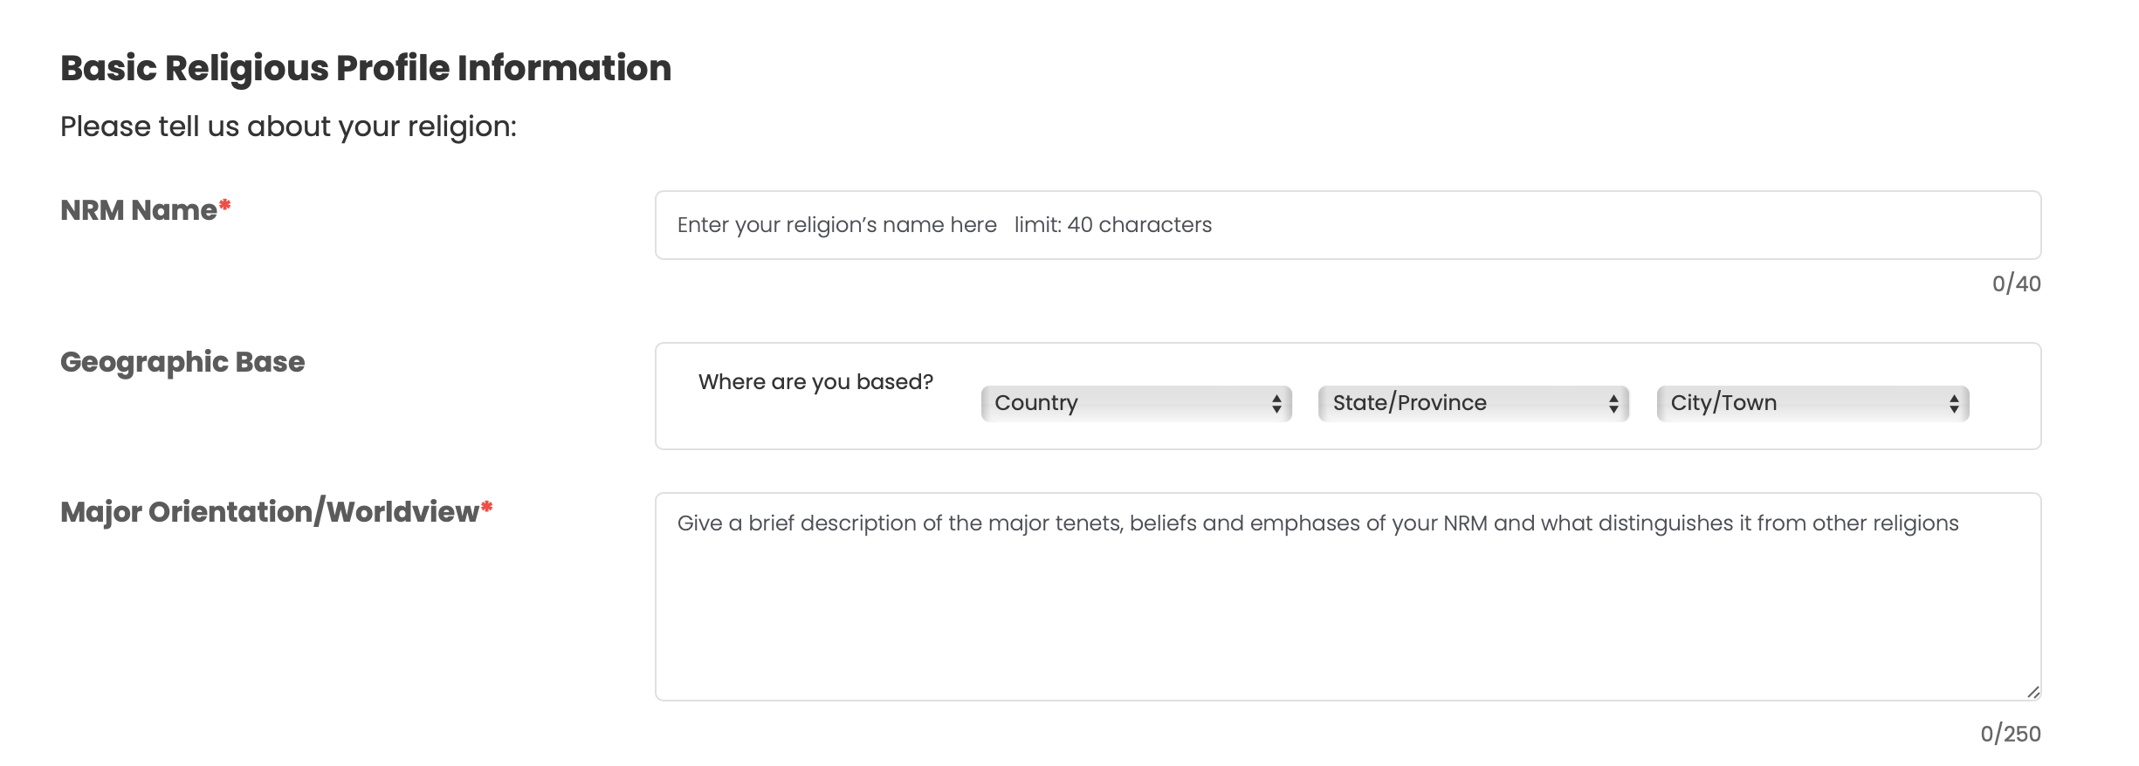

name

state
city
country
 |  | country: only show for US right now
 |  | state: all state of US
 |  | city: render based state selected

major_orientation

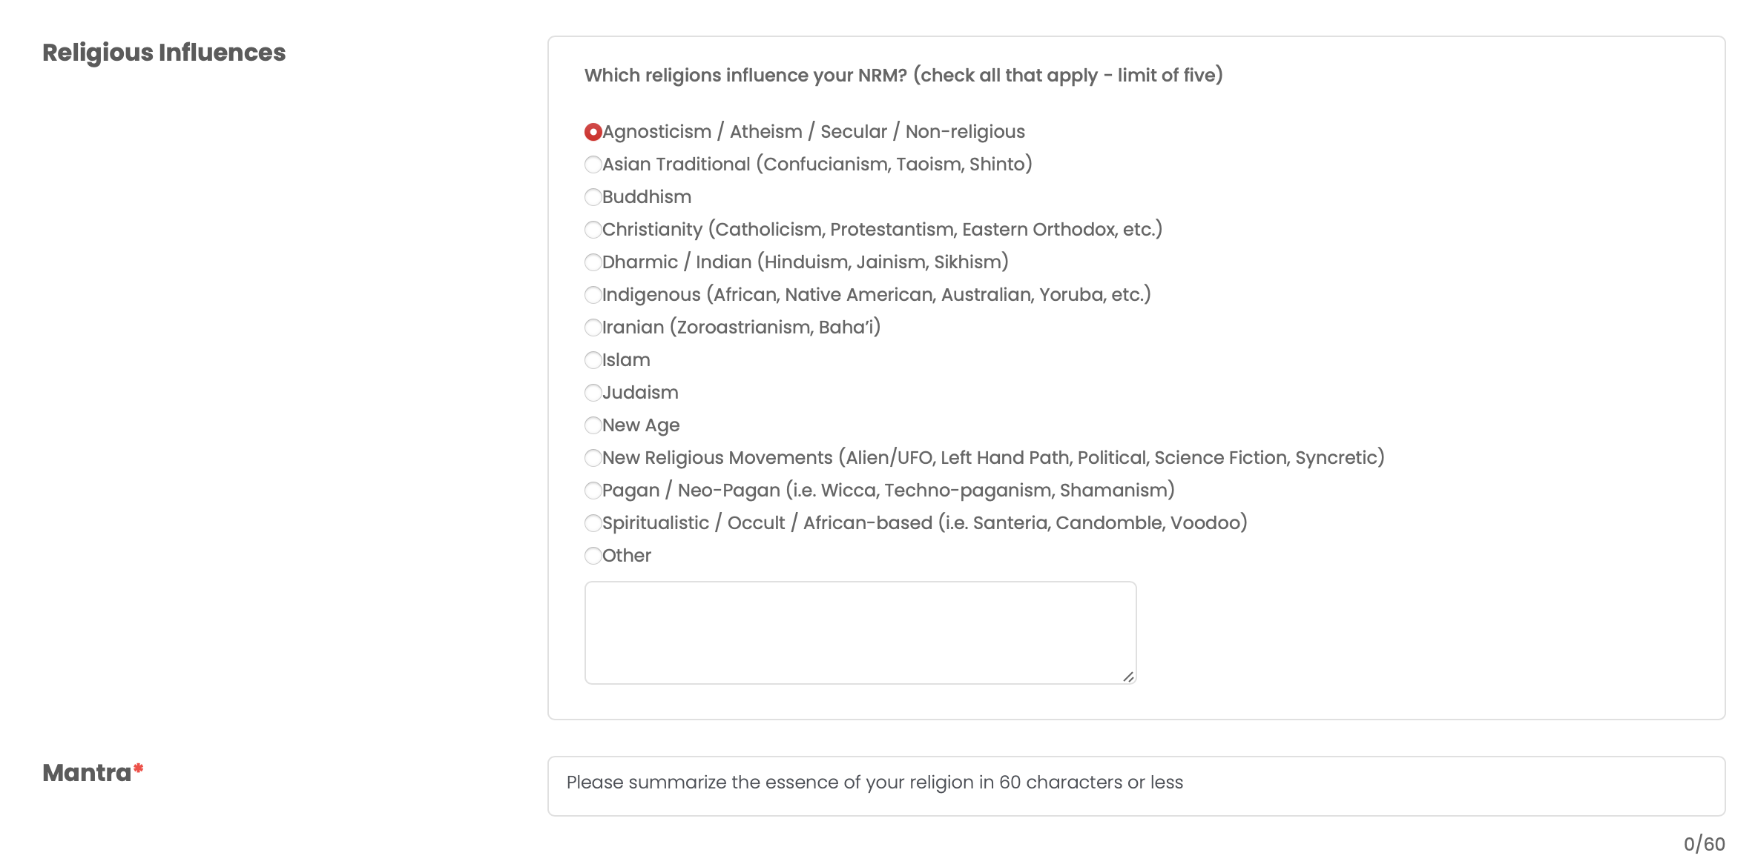

 |  | use API getReligionInfluences to get data and show for the list

 |  | default the textarea is hide, only show if check OTHER

mantra

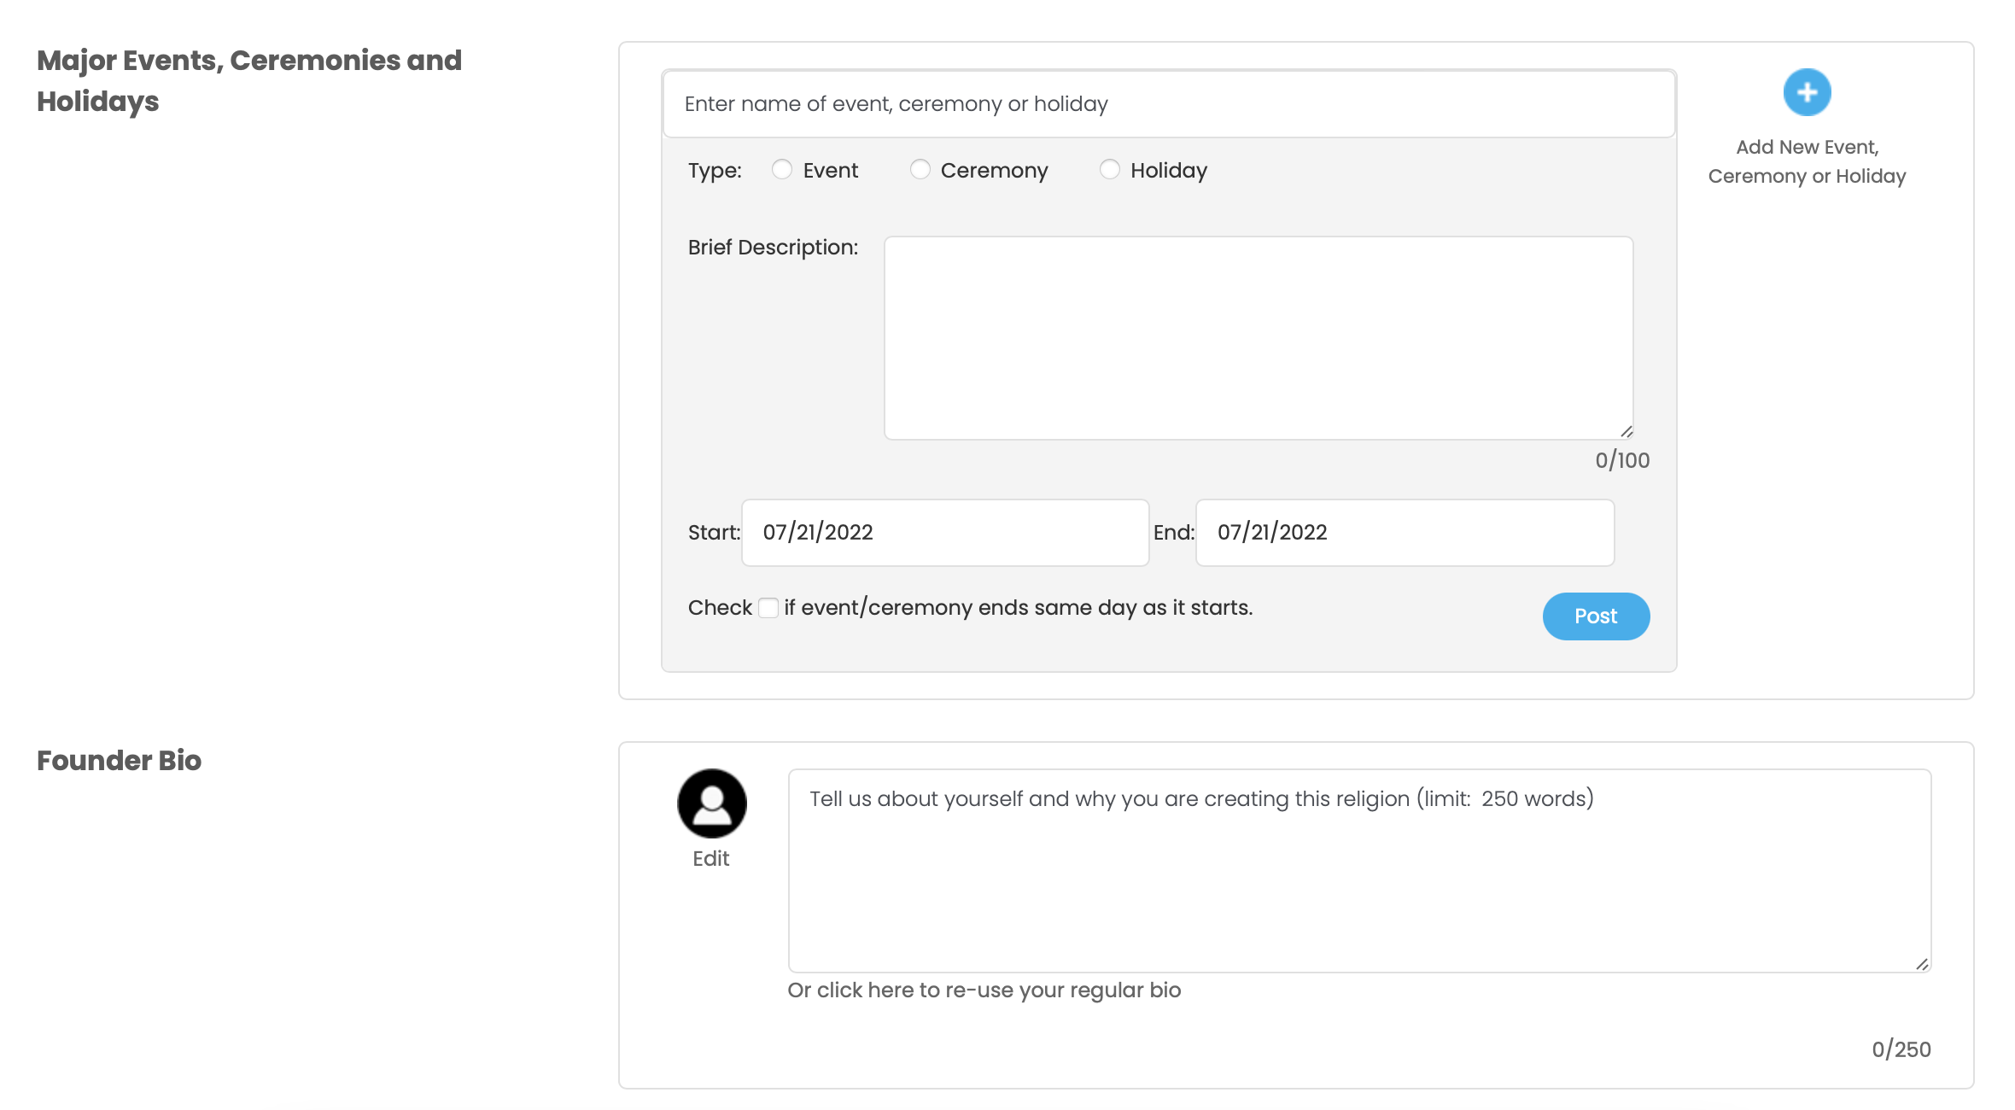

 | This part will do later

founder_bio
founder_picture
 |  | founder_picture: pick file to upload
 |  | we need preview image after file chosen too

 |  | click submit button, call API createReligion
 |  | after success, show Step3 view
 |  |  | (Congratulations! Your LX Member level is now ready to accept members.... screen)

